ورقة1
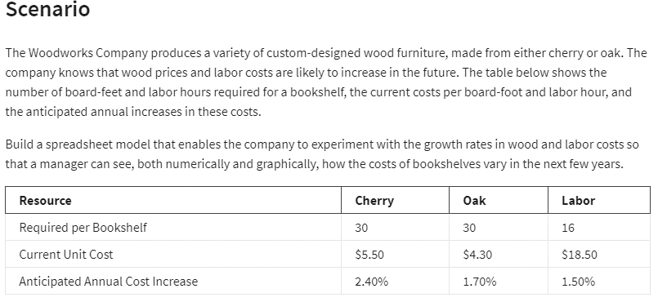
WOODWORKS BOOKSHELF CO

Resource | Cherry | Oak
Req/bookshelf | 30 | 30
Current unit cost | SAR 5.50 | SAR 4.30
Cost | SAR 165.00 | SAR 129.00

Resource | Labor
Req/bookshelf | 16 | 16
Current unit cost | SAR 18.50 | SAR 18.50
WOODWORKS BOOKSHELF CO
Total | SAR 296.00 | SAR 296.00

Increses | 2.40% | 1.70% | 1.50%

Years | Cherry | Oak | Labor | Total Cherry | Total Oak
0 | SAR 165.00 | SAR 129.00 | SAR 296.00 | SAR 461.00 | SAR 425.00
1 | SAR 168.96 | SAR 131.19 | SAR 300.44 | SAR 469.40 | SAR 431.63
2 | SAR 173.02 | SAR 133.42 | SAR 304.95 | SAR 477.96 | SAR 438.37
3 | SAR 177.17 | SAR 135.69 | SAR 309.52 | SAR 486.69 | SAR 445.21
4 | SAR 181.42 | SAR 138.00 | SAR 314.16 | SAR 495.58 | SAR 452.16
5 | SAR 185.77 | SAR 140.34 | SAR 318.88 | SAR 504.65 | SAR 459.22
6 | SAR 190.23 | SAR 142.73 | SAR 323.66 | SAR 513.89 | SAR 466.39
7 | SAR 194.80 | SAR 145.16 | SAR 328.51 | SAR 523.31 | SAR 473.67
8 | SAR 199.47 | SAR 147.62 | SAR 333.44 | SAR 532.91 | SAR 481.07
9 | SAR 204.26 | SAR 150.13 | SAR 338.44 | SAR 542.70 | SAR 488.58
10 | SAR 209.16 | SAR 152.69 | SAR 343.52 | SAR 552.68 | SAR 496.21

